1. Title Page
[Basket Analysis]

Project Name: Instacart Basket Analysis
Date: 08/10/2023
Analyst Name: Lynnsey Dohmen

Contents:
Population Flow
Consistency checks
Wrangling steps
Column derivations
Visualizations
Recommendations

This data was acquired from:
“The Instacart Online Grocery Shopping Dataset 2017”, Accessed from www.instacart.com/datasets/grocery-shopping-2017 via Kaggle on 7/23/2023.

For the purpose of this learning analysis, the 'price' and 'customer' data was fabricated.

2. Population Flow
Title page

Population flow

Exclusion flag
Condition: max_order < 5
Obervations to be removed: 1,440,295
Final total count of order_products_all: 30,964,564

Orders_products_combined
Orders_products_merged
Orders_products_all

Total: 32,404,859
Total: 32,434,489
Total: 32,404,859

1.) The grey boxes in the first row of the population flow represent the original data sets as they were when you downloaded them. In the Total fields you need to add the count of the rows when you imported the data set into Jupyter.
2.) The second row of boxes (coloured) represents the data sets after you manipulated them, e.g., removed missing values and duplicates. In the Total fields you need to add the count of the rows after conducting these operations. This offers a visual oveview of how the data flows throughout the data consistency checks.
3.) The third row, where also the arrows are coloured, represents the merges you performed between the datasets. In the Total fields you need to add the count of the rows in the merged datasets, so that you end up with the final dataset (in the red box). Keep in mind the final dataset should be without exclusions (based on the exclusion flag).

3. Consistency checks
 |  |  |  |  | Title page
Consistency checks

Dataset | Missing values | Missing values treatment | Duplicates | Notes
orders | 206209 | left in as valuable data; tells us if customers have never had a prior order | 0 | 0
products | 16 | removed as a small percentage of data | 5 | 5
orders_products_prior | 0 | no missing values | 0 | 0
customers | 11259 | left in because it was just the first names missing; we don’t necessarily need the first names to use the rows | 0 | 0
orders_products_customers_merged_V2 |  |  | 0 | Used crosstab to double check that all the days_since_prior_order column fall where the order number is equal to 1, meaning they are missing because it's their first order.

4. Wrangling steps
 |  |  |  |  | Title page
Wrangling steps

Data set: Orders
Column | Columns dropped | Columns renamed | Columns' type changed | Comment/Reason
order_id |  |  | from a number to a string | numbers have no statistical meaning
user_id |  |  | from a number to a string | numbers have no statistical meaning
eval_set | Y |  |  | no useful info
order_number
orders_dow |  | orders_day_of_week |  | easier to read
order_hour_of_day |  | time_ordered |  | easier to read
days_since_prior_order

Data Set: Products
Column | Columns dropped | Columns renamed | Columns' type changed | Comment/Reason
product_id |  |  | from a number to a string | numbers have no statistical meaning
product_name
aisle_id |  |  | from a number to a string | numbers have no statistical meaning
department_id |  |  | from a number to a string | numbers have no statistical meaning
prices

Data Set: Orders - Products - Prior
Column | Columns dropped | Columns renamed | Columns' type changed | Comment/Reason
order_id |  |  |  | nothing changed
product_id |  |  |  | nothing changed
add_to_cart_order |  |  |  | nothing changed
reordered |  |  |  | nothing changed

Data set: Customers
Column | Columns dropped | Columns renamed | Columns' type changed | Comment/Reason
user_id |  |  | from a number to a string
First Name |  | first_name | from mixed to a string
Surnam |  | last_name
Gender |  | gender
STATE |  | state
Age |  | age
date_joined
n_dependants |  | number_of dependants
fam_status |  | marital_status
income |  |  |  | nothing changed

Data set: orders_products_customers_merged_V2
Column | Columns dropped | Columns renamed | Columns' type changed | Comment/Reason
user_id
first_name | Y |  |  | This was PII data, so I removed it.
last_name | Y |  |  | This was PII data, so I removed it.
gender
state
age
date_joined
number_of dependants
marital_status
income |  |  |  | nothing changed

5. Column derivations
 |  |  |  |  | Title page

Column derivations and aggregations

In this tab you should add tables below that the frequences of flags/label variables that you produced after deriving them. NB: don't do this for continuous variables, only for flags.
Dataset | New column | Column/s it was derived from | Conditions | Frequency of condition
orders_products_merged | price_label | prices | Mid-range product | 21860860
 |  |  | Low-range product | 10131448
 |  |  | High-range product | 412551
 | Busiest_days | orders_day_of_week | Regularly busy | 12916111
 |  |  | Busiest days | 11864412
 |  |  | Slowest days | 7624336
 | busiest_period_of_day | time_ordered | Most orders | 18455927
 |  |  | Average orders | 9997651
 |  |  | Fewest orders | 3951281
 | loyalty_flag | max_order | Loyal customer | 10284093
 |  |  | New customer | 6243990
 |  |  | Regular customer | 15876776
 | spending_flag | mean_price | Low spender | 32285165
 |  |  | High spender | 119694
 | order_frequency_flag | median_days_since_prior_order | Frequent customer | 21559853
 |  |  | Regular customer | 7208564
 |  |  | Non-frequent customer | 3636437

Dataset | New column | Column/s it was derived from | Conditions | Frequency of condition
orders_products_customers_merged_V4 (this is my final dataframe after all changes) | region | state | South | 10791885
 |  |  | West | 8292913
 |  |  | Midwest | 7597325
 |  |  | Northeast | 5722736
 | age_range | age | middle aged | 16951417
 |  |  | mature | 8195544
 |  |  | young | 5817603
 | parent | number of dependants | parent | 23224883
 |  |  | not a parent | 7739681
 | income_range | income | average | 19323966
 |  |  | high | 8278044
 |  |  | low | 3362554
 | department_group | department_id | food | 26487791
 |  |  | drinks | 2716528
 |  |  | household | 699857
 |  |  | personal care | 424306
 |  |  | babies | 410392
 |  |  | misc | 132630
 |  |  | pets | 93060
 | user_profile | age_range & parent | middle-aged parent | 12681312
 |  |  | mature parent | 6173586
 |  |  | young parent | 4369985
 |  |  | middle-aged no children | 4270105
 |  |  | mature no children | 2021958
 |  |  | young no children | 1447618

6. Visualizations
 |  |  |  | Title page

Visualizations

In this tab you should include all the visualizations from Exercises 4.9 and 4.10, alongside the questions from the project brief that they answer. Include any commentary on the relationship between different variables.

Orders by Day of the Week
Task | Question | Visualization | Commentary
4.9 | Create a bar chart of how many orders there are on each day of the week. | 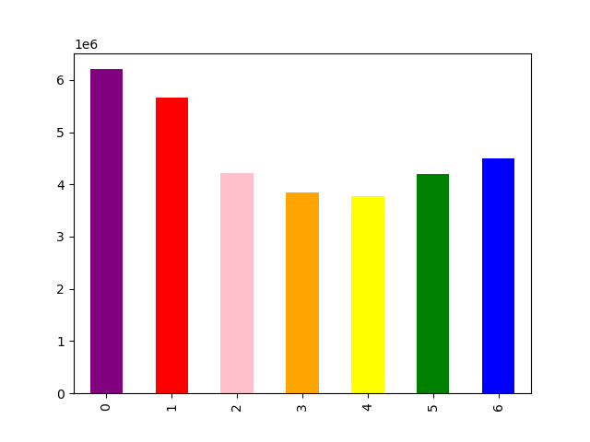 | This bar chart shows that orders decrease in the middle of the week and then increase on the weekend. Note: 0 = Saturday 1 = Sunday 2 = Monday 3 = Tuesday 4 = Wednesday 5 = Thursday 6 = Friday

Orders

Day of the Week

4.9 | Create a histogram of price frequency |  | This histogram shows most items are priced under $15.

4.9 | Create a scatterplot of prices | 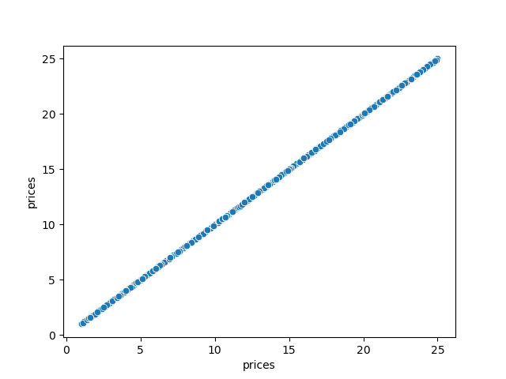 | This step was used to look for outliers. I already removed my outliers. It shows there isn't anything priced higher than $25, which is an appropriate price range for this data set.

4.9 | Create a line chart of the day of the week and prices | 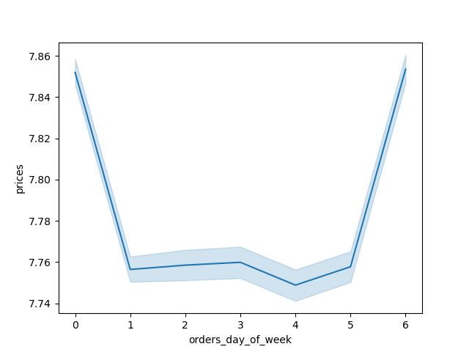 | Looking at the range of prices, we can see that there is just a very small difference, of about 12 cents, between all days. So we can conclude that there isn't a relationship between day of the week and the price of items purchased.

4.9 | You need to provide the Instacart senior stakeholders with descriptive findings about sales. Create a histogram of the “order_hour_of_day” column. |  | This histogram shows that around 5am orders start to increase and continue increasing until around 10am. Then from 10am until about 5pm, they stay high. At around 5pm, orders start to decrease and continue to decrease until 5am.

4.9 | The marketing team is curious about the distribution of orders among customers in terms of loyalty. Create a bar chart from the “loyalty_flag” column. |  | This export cut off the labels for each bar. But the biggest bar is' regular customer'; the middle bar is 'loyal customer' and the smallest bar is 'new customer.' This tells us that we have the most regular customers, followed by loyal customers and the least amount of new customers.
Number of Orders
Number of Orders

4.9 | Check whether there’s a difference in expenditure (the “prices” column) depending on the hour of the day. |  | Looking at the range of prices, we can see that there is just a very small difference, of less than a dollar, for the time each item is ordered. Based on this small range, I'd say that the time you order an item doesn't affect whether or not you order more expensive items.

4.9 | Now that you have information about customers, you need to conduct some exploratory analysis of customer demographics to inform the targeted marketing campaigns. First, determine whether there’s a connection between age and family situation by creating a line chart exploring the connections between age and number of dependents. |  | Again, looking at the range of the number of dependants, it only varies by less than 0.2. All age ranges have more than 1 but less than 2 dependants. So there doesn't seem to be a correlation here between age and number of dependants.

4.9 | You’ll also need to explore whether there’s a connection between age and spending power (income). |  | The scatterplot shows that there isn't a clear relationship between age and spending power. What I can say is that at age 40, we see that some customers start to make above 400,000 dollars a year. We also can say that the majority of customers, regardless of age, make less than 200,000 dollars a year.

4.10 | The Instacart officers are interested in comparing customer behavior in different geographic areas. Create a regional segmentation of the data. You’ll need to create a “Region” column based on the “State” column from your customers data set. Use the region information in this Wikipedia article to create your column (you only need to create regions, not divisions). Determine whether there’s a difference in spending habits between the different U.S. regions. (Hint: You can do this by crossing the variable you just created with the spending flag.) | 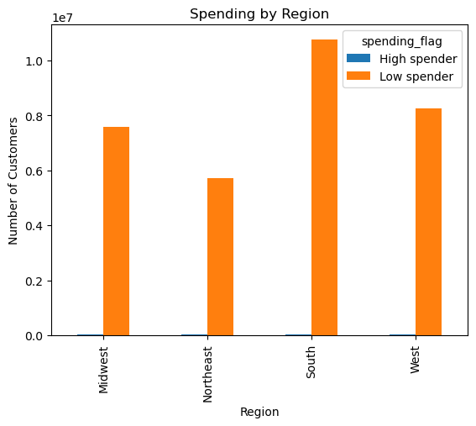 | From this graph, the first thing we see is that there are many more low spenders than high spenders. So let's just focus on the low spenders. The most low spender orders are from the South, followed by the West, Midwest and lastly, the Northeast.

Number of Orders

4.10 | The Instacart officers are interested in comparing customer behavior in different geographic areas. Create a regional segmentation of the data. You’ll need to create a “Region” column based on the “State” column from your customers data set. Use the region information in this Wikipedia article to create your column (you only need to create regions, not divisions). Determine whether there’s a difference in spending habits between the different U.S. regions. (Hint: You can do this by crossing the variable you just created with the spending flag.) | 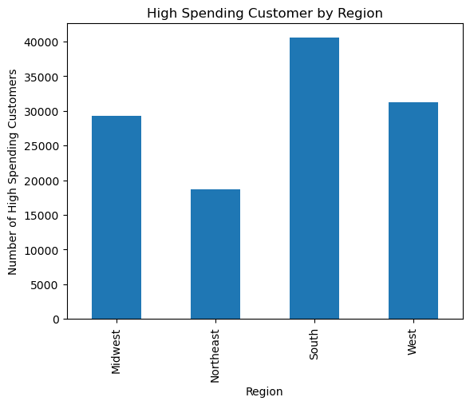 | Since you couldn't see the high spenders very well in the above bar chart, I created a second one with just high spending customers who place orders. I found the same pattern. The most high spender orders take place in the South, followed by the West, Midwest and lastly, the Northeast.

Number of Orders

4.10 | The marketing and business strategy units at Instacart want to create more-relevant marketing strategies for different products and are, thus, curious about customer profiling in their database. Create a profiling variable based on age, income, certain goods in the “department_id” column, and number of dependents. You might also use the “orders_day_of_the_week” and “order_hour_of_day” columns if you can think of a way they would impact customer profiles. (Hint: As an example, try thinking of what characteristics would lead you to the profile “Single adult” or “Young parent.”) | 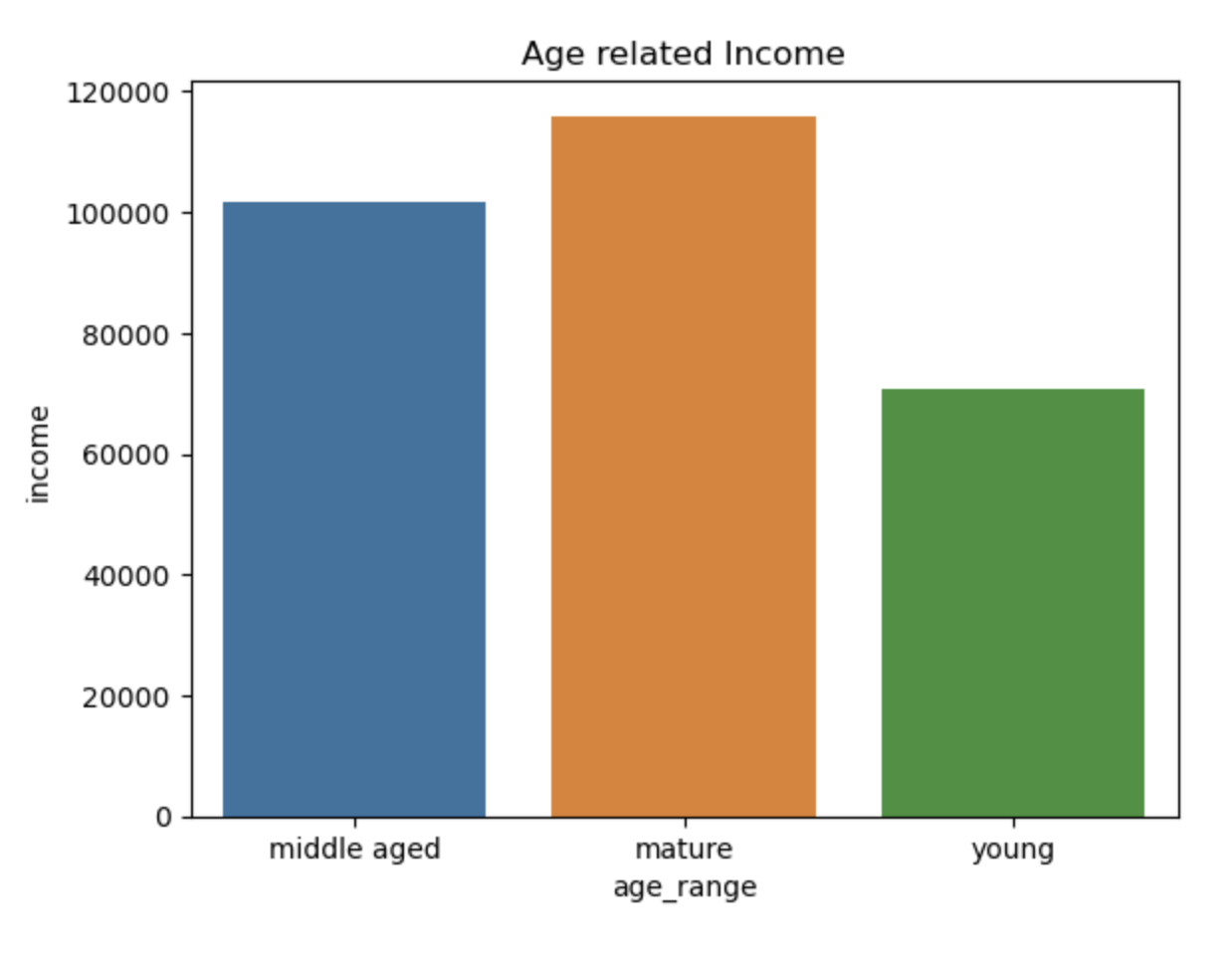 | The next 4 tables are exploratory. I was trying to figure out how to profile the users and whether there were any relationships between different variables related to customers. From this chart I can see there is a relationship between age and income level.

4.10 | The marketing and business strategy units at Instacart want to create more-relevant marketing strategies for different products and are, thus, curious about customer profiling in their database. Create a profiling variable based on age, income, certain goods in the “department_id” column, and number of dependents. You might also use the “orders_day_of_the_week” and “order_hour_of_day” columns if you can think of a way they would impact customer profiles. (Hint: As an example, try thinking of what characteristics would lead you to the profile “Single adult” or “Young parent.”) | 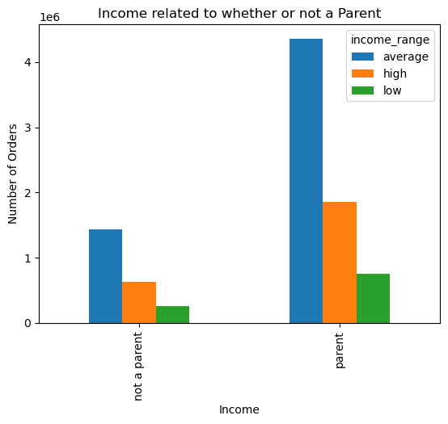 | This chart shows that income level does not affect whether or not someone is a parent. The pattern is the same whether the person is a parent or not. The parent bars are larger simply because there are more customers that are parents.

4.10 | The marketing and business strategy units at Instacart want to create more-relevant marketing strategies for different products and are, thus, curious about customer profiling in their database. Create a profiling variable based on age, income, certain goods in the “department_id” column, and number of dependents. You might also use the “orders_day_of_the_week” and “order_hour_of_day” columns if you can think of a way they would impact customer profiles. (Hint: As an example, try thinking of what characteristics would lead you to the profile “Single adult” or “Young parent.”) | 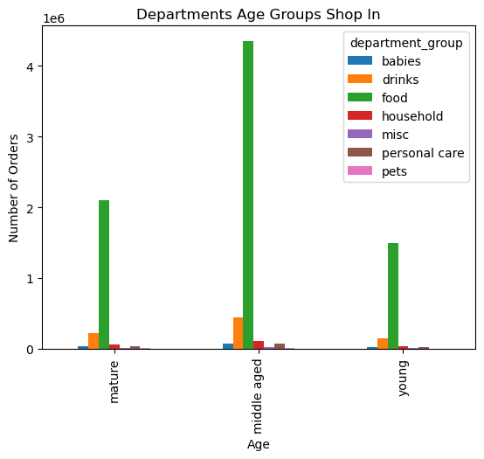 | This bar chart is hard to interpret because food spending is so much higher than everything else for Instacart. So I decided to remove food spending to see if I could find a relationship between any other departments and age.

4.10 | The marketing and business strategy units at Instacart want to create more-relevant marketing strategies for different products and are, thus, curious about customer profiling in their database. Create a profiling variable based on age, income, certain goods in the “department_id” column, and number of dependents. You might also use the “orders_day_of_the_week” and “order_hour_of_day” columns if you can think of a way they would impact customer profiles. (Hint: As an example, try thinking of what characteristics would lead you to the profile “Single adult” or “Young parent.”) | 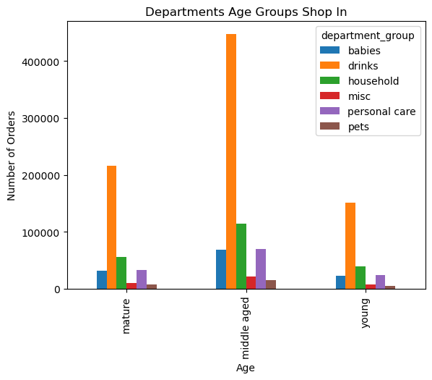 | After removing food from the department_group, I see a similar pattern for each age group. All age groups spend the most on drinks, followed by household; babies and personal care show similar spending across all age groups, followed by miscellaneous and pets. So I can't find that one age group spends more than another on a specific department.

4.10 | Create an appropriate visualization to show the distribution of profiles. | 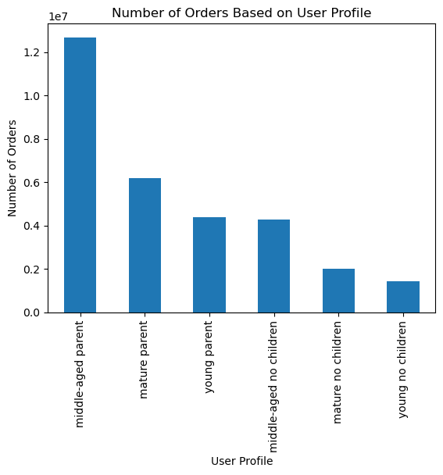 | I decided that the only clear relationship was between income and age. So I decided to use age in my profile. I could have just as easily used income. Then I made a profile for each user based on age and whether they had children. We can see that most orders come from middle-aged parents.

4.10 | Compare your customer profiles with regions and departments. Can you identify a link between them? Customers may demonstrate different behaviors across regions, which could make this information important. | 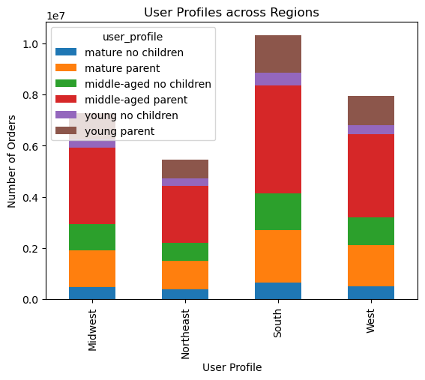 | Judging from the bar graphs, it looks like the distribution of profiles is similar across all regions and is proportional to the total number of customers for each region. Middle-aged parents make up most of the orders in each region, followed by mature parents, followed by middle-aged people without children, then young parents, mature people without children and lastly, young people without children.

4.10 | Compare your customer profiles with regions and departments. Can you identify a link between them? Customers may demonstrate different behaviors across regions, which could make this information important. | 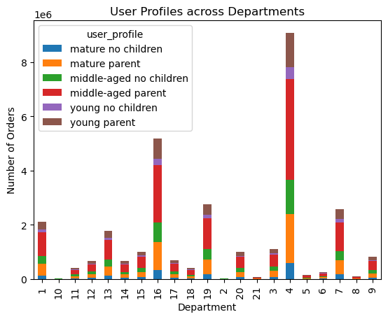 | If we look at the profiles across departments, we see a similar pattern in each department. Since there are so many departments, it's hard to read this graph. So I created the one below where I grouped departments.

4.10 | Compare your customer profiles with regions and departments. Can you identify a link between them? Customers may demonstrate different behaviors across regions, which could make this information important. | 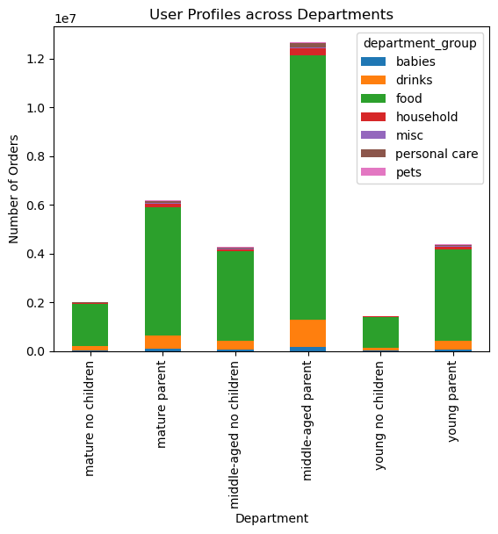 | Looking at this graph, we see a similar spending pattern across all our profiles. So we can't say that one profile necessarily shops in one department more often than another.

4.10 | Compare your customer profiles with regions and departments. Can you identify a link between them? Customers may demonstrate different behaviors across regions, which could make this information important. | 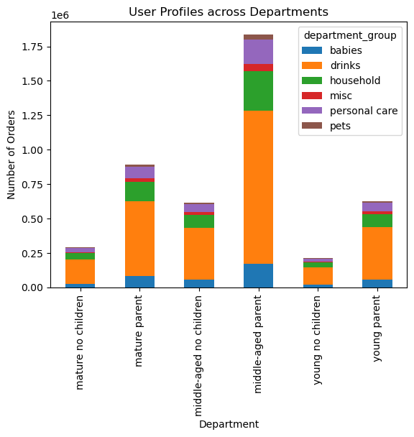 | On this graph, I removed food since it overwhelmed our last bar graph and obviously, all profiled buy a lot of food. I found that all the profiles followed similar spending patterns. It's interesting because even those profiles without children still buy a good proportion of baby products.

7. Recommendations
 |  |  |  |  | Title page

Recommendations

In this tab you should include any recommendations you would made to Instacart in terms of their marketing strategy based on the questions posed in the brief. Every key question has been covered in the Tasks of the Exercises - here you need to add an item - a visualization or table/crosstable that is showing the answer in the data, accompanied by a comment from you. Please, list the questions below and add the answer underneath.

Orders by Day of the Week
Orders
Day of the Week
Orders by Time of the Day
Orders
Time
Note: Time is in Military Time
Amount Spent each Hour
 | Question | Answer | Comment | Extra Information
Key Question 1 | The sales team needs to know what the busiest days of the week and hours of the day are (i.e., the days and times with the most orders) in order to schedule ads at times when there are fewer orders. |  | The busiest days of the week are Saturday and Sunday. The busiest hours of the day are between 9:00 am and 5:00 pm. I would recommend scheduling ads during the workweek, Monday - Friday in the evenings, so after 5:00 pm. | 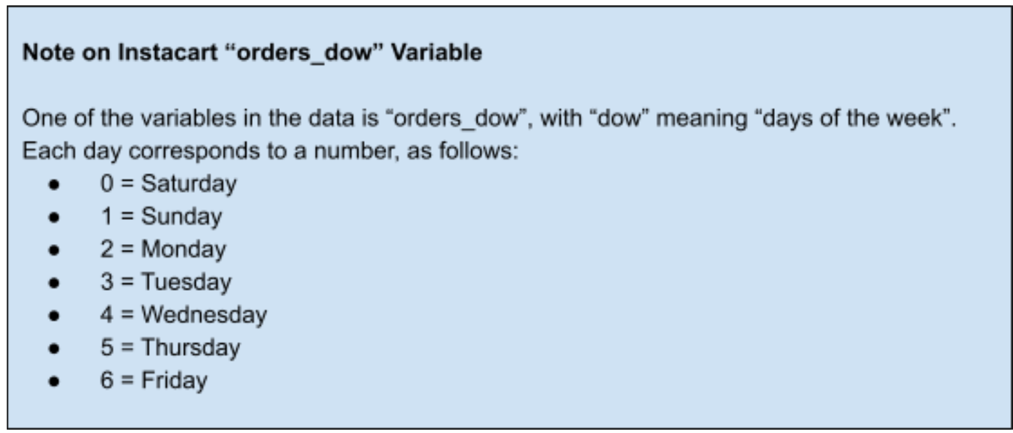
Key Question 2 | They also want to know whether there are particular times of the day when people spend the most money, as this might inform the type of products they advertise at these times. |  | If you look at the scale for the y-axis you will see that the variation in average price only changes by 13 cents. This is an incredibly small amount, so I would not say there is a particular time of day where people spend more money.
Key Question 3 | Instacart has a lot of products with different price tags. Marketing and sales want to use simpler price range groupings to help direct their efforts. |  | I create a new column that flagged each products based on price. High-range products cost over $15; Mid-range products costs more than $5 but less than $16. Low-range products costs less than $5. I found that there were no products ordered that cost more than $15.
Key Question 4 | Are there certain types of products that are more popular than others? The marketing and sales teams want to know which departments have the highest frequency of product orders. | 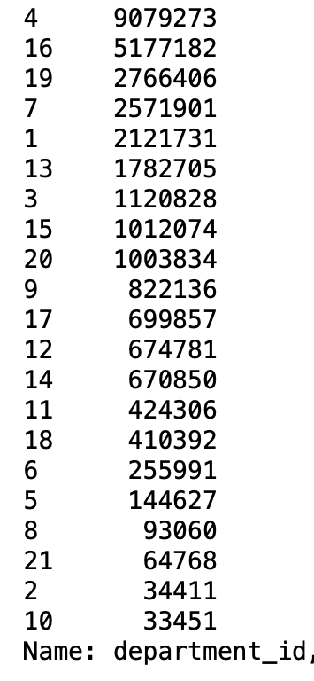 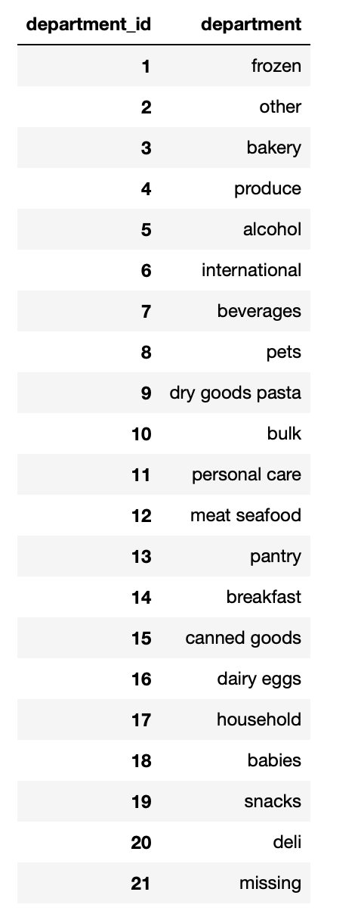 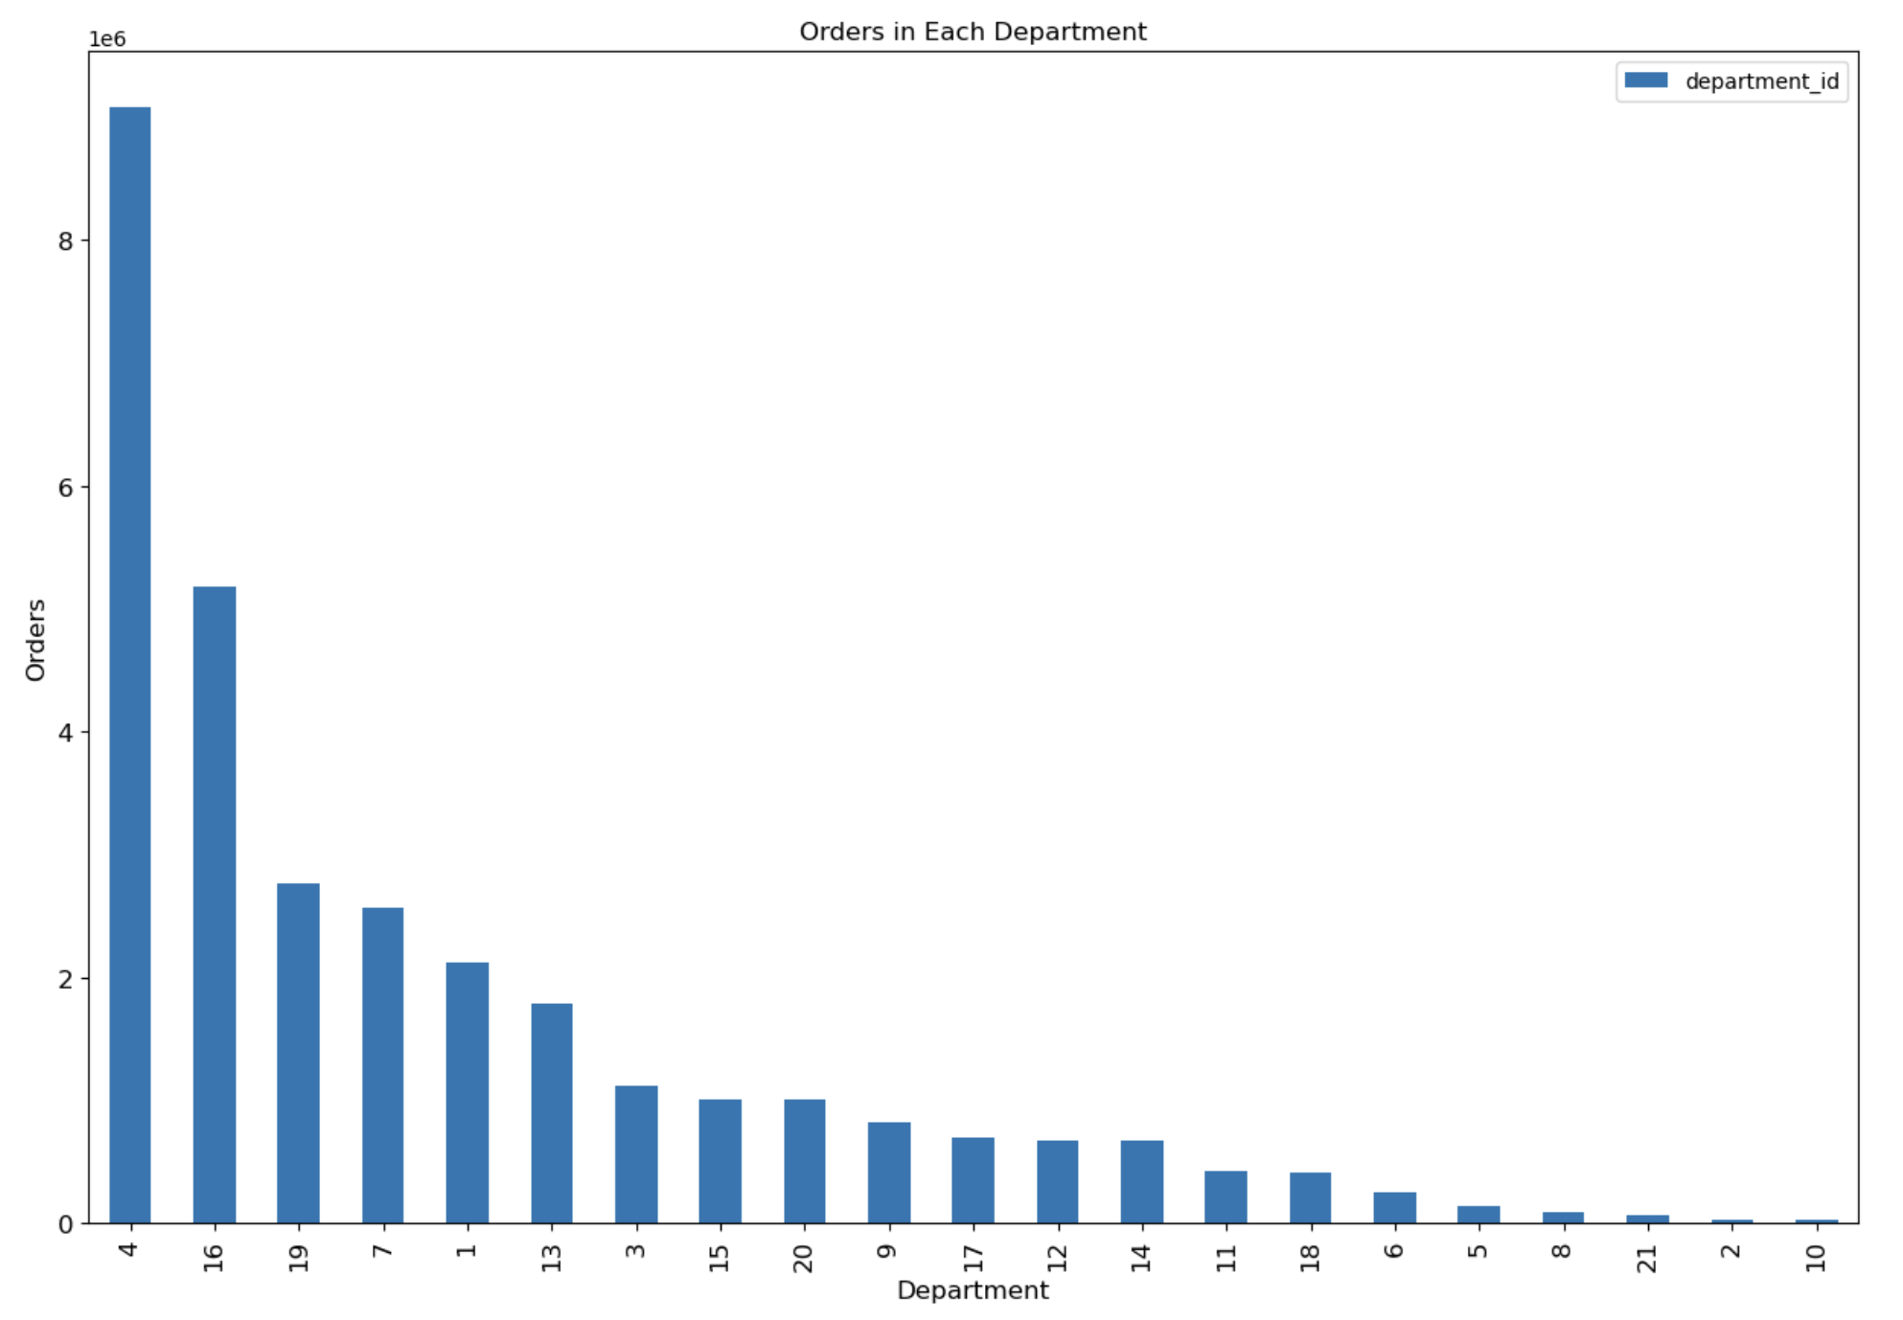 | The bar graph clearly shows that produce is the most popular department, followed by dairy/eggs, then snacks. All the food categories are more popular than the other categories, like household/babies/personal care/bulk.

Number of Orders
Number of Orders
Key Question 5 | What’s the distribution among users in regards to their brand loyalty (i.e., how often do they return to Instacart)? |  | The majority of our customers regular customers, meaning they've placed more than 10 orders but less than 41. Loyal customers have placed over 40 orders. New customers have placed 10 or less orders. There are more loyal customers than new customers.
Key Question 6 | Are there differences in ordering habits based on a customer’s loyalty status? | 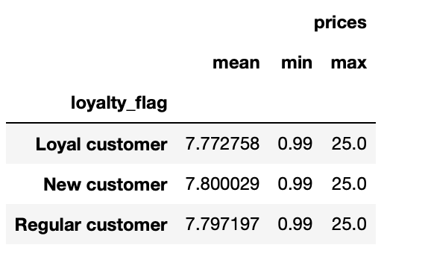 | Looking at some descriptive statistics we can see there isn't a difference between ordering habits based on loyalty status. The mean, minimum and maximum order price are all about the same across the different loyalty categories.
Key Question 7 | Are there differences in ordering habits based on a customer’s region? |  | Yes. Instacart received the most orders from the South, followed by the Midwest, West and lastly, the Northeast. When looking at high spenders versus low spenders, this pattern hold across both categories, so there isn't necessarily a greater proportion of high or low spenders in one region or the other.
Key Question 8 | Is there a connection between age and family status in terms of ordering habits? | 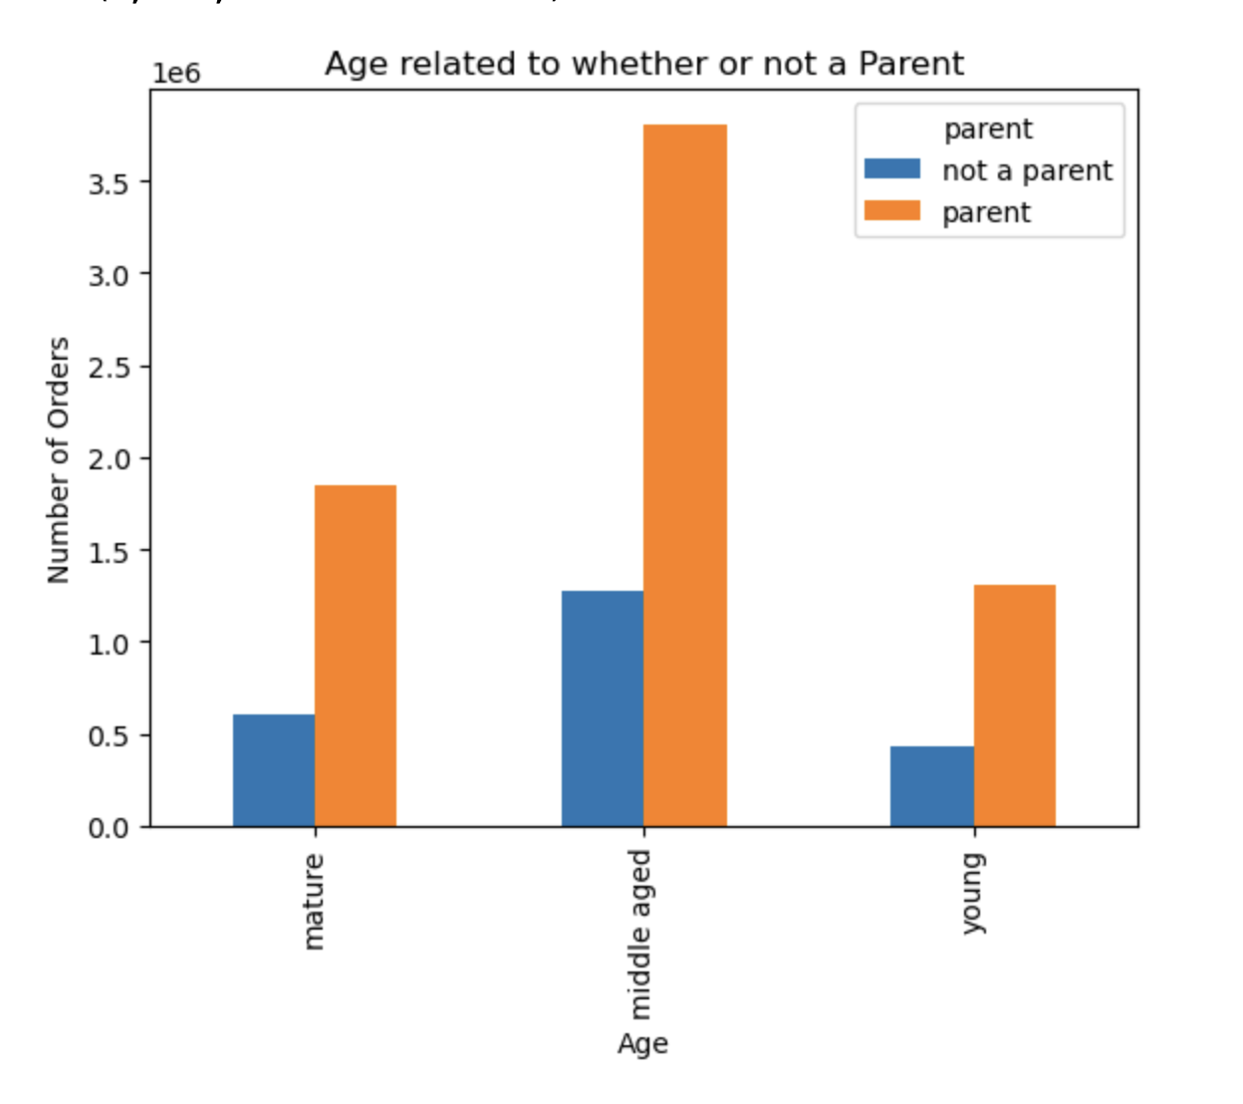 | We see that regardless of age, parents order more products than people who aren't parents. Middle-aged parents order the most products. There are more parents in each category than non-parents. We would need to do some statistical analysis to see whether the ratios are different in each category.
Key Question 9 | What different classifications does the demographic information suggest? Age? Income? Certain types of goods? Family status? |  | First, I compared age to income and saw a relationship there. Mature adults had the highest income, followed by middle-aged and then young adults. So then I looked at whether income affected whether someone was a parent or not. I saw a similar pattern in each other categories, so didn't seem like this had much of an affect. So then I looked at whether there was a relationship between age and department shopped in. I saw food overwhelmed the visualization, so I removed to see if there was a different pattern depending on age. I found that age didn't have much of an effect on which department you shopped in. Deeper statistical analysis would need to be conducted to know for sure. Based on all this information, I created 6 profiles. Young parent Middle-aged parent Mature parent Young no children Middle-aged no children Mature no children

Key Question 10 | What differences can you find in ordering habits of different customer profiles? Consider the price of orders, the frequency of orders, the products customers are ordering, and anything else you can think of. |  | Most of our orders come from middle-aged parents, followed by mature parents, then young parent, then middle-aged no children, mature no children, and young no children. It would make sense that parents use Instacart the most because they are so busy with their kids that it would make their lives easier. Young people with no children place the least amount of orders. This makes sense because young people have the least income and if they don't have children, they wouldn't be as busy and thus, would rather save money and shop for themselves.
 |  |  | We already know that there are the most customers in the South. Otherwise, the regions seems to follow the same pattern. The majority of customers in each region are middle-aged parents. The least amount of customers in each region are young people with no children. I don't see a difference in the proportions of each bar when you take into account overall order numbers.
 |  |  | Here, I grouped departments. I made one graph including all departments and another excluding food to see if there were any obvious differences. I can see that middle-aged parents but the most drinks, but this is still a large category in each profile. The profiles all look similar percentage wise, so I can't see a clear pattern where a young parent might buy more or one department versus someone is is mature with no children. Deeper analysis would need to be conducted.
 |  | 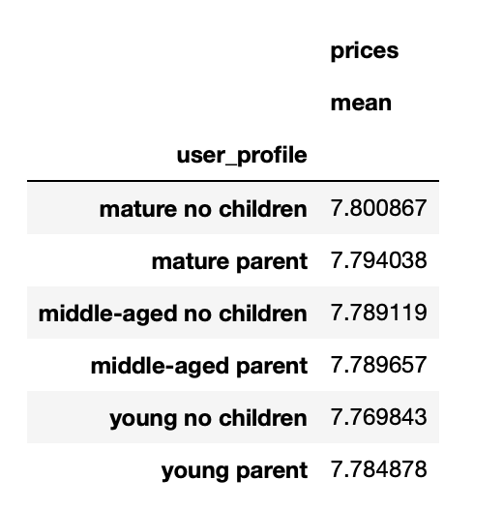 | There doesn't seem to be a difference in the amount each profile spends. After doing all these analyses, it doesn’t look like there is a clear difference between profiles. The only clear difference I found is that we middle-aged parents make the most orders and young people with no children make the least amount of orders. Where they live, what they buy and how much they spend all seem to be similar in each profile group. You would need to dig even deeper into the data and do more complex analysis to find any differences.

